Detailed Investigation Result
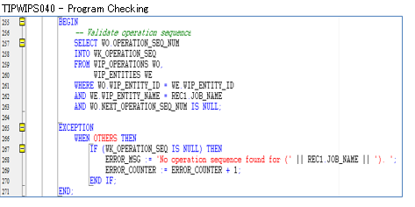
Detailed Investigation Result

 | SOURCE_CODE | ORGANIZATION_CODE | ORGANIZATION_ID | ASSEMBLY_CODE | ASSEMBLY_ID | CLASS_CODE | JOB_NAME | QUANTITY | COMPLETION_DATE | ALTERNATE_ROUTING_DESIGNATOR | ALTERNATE_BOM_DESIGNATOR | ATTRIBUTE1 | ATTRIBUTE2 | ATTRIBUTE3 | ATTRIBUTE4 | ATTRIBUTE5 | ATTRIBUTE6 | ATTRIBUTE7 | ATTRIBUTE8 | ATTRIBUTE9 | ATTRIBUTE10 | CREATION_DATE | UPDATE_DATE | PROCESS_FLAG | ERROR_MESSAGE
 | TIPWIPS020 | ESD | 125 | SDFBE74EZB01T50T | 2612619 | Standard | ESD00298462 | 60 | 7/2/21 | MPL | MPL | ESDLINE |  |  |  |  |  |  |  |  |  | 7/2/21 | 7/2/21 | 9 | No operation sequence found for (ESD00298151).
 | TIPWIPS020 | ESD | 125 | SDFUS86DAB01TG0T | 3757005 | Standard | ESD00298463 | 30 | 7/2/21 | MPL | MPL | ESDLINE |  |  |  |  |  |  |  |  |  | 7/2/21 | 7/2/21 | 9 | No operation sequence found for (ESD00298151).
 | TIPWIPS020 | ESD | 125 | SDFUS84DAB01TC0T | 3756997 | Standard | ESD00298464 | 30 | 7/2/21 | MPL | MPL | ESDLINE |  |  |  |  |  |  |  |  |  | 7/2/21 | 7/2/21 | 9 | No operation sequence found for (ESD00298152).
 | TIPWIPS020 | ESD | 125 | SDFBE04LQA01T50T | 2973239 | Standard | ESD00298465 | 90 | 7/2/21 | MPL | MPL | ESDLINE |  |  |  |  |  |  |  |  |  | 7/2/21 | 7/2/21 | 9 | No operation sequence found for (ESD00298153).
 | TIPWIPS020 | ESD | 125 | SDFBC06NKA01TD0T | 2346142 | Standard | ESD00298460 | 180 | 7/2/21 | MPL | MPL | ESDLINE |  |  |  |  |  |  |  |  |  | 7/2/21 | 7/2/21 | 9 | No operation sequence found for (ESD00298154).
 | TIPWIPS020 | ESD | 125 | SDFBE83EAB01T10T | 2370310 | Standard | ESD00298461 | 150 | 7/2/21 | MPL | MPL | ESDLINE |  |  |  |  |  |  |  |  |  | 7/2/21 | 7/2/21 | 9 | No operation sequence found for (ESD00298151).

Actual Operation Evidence
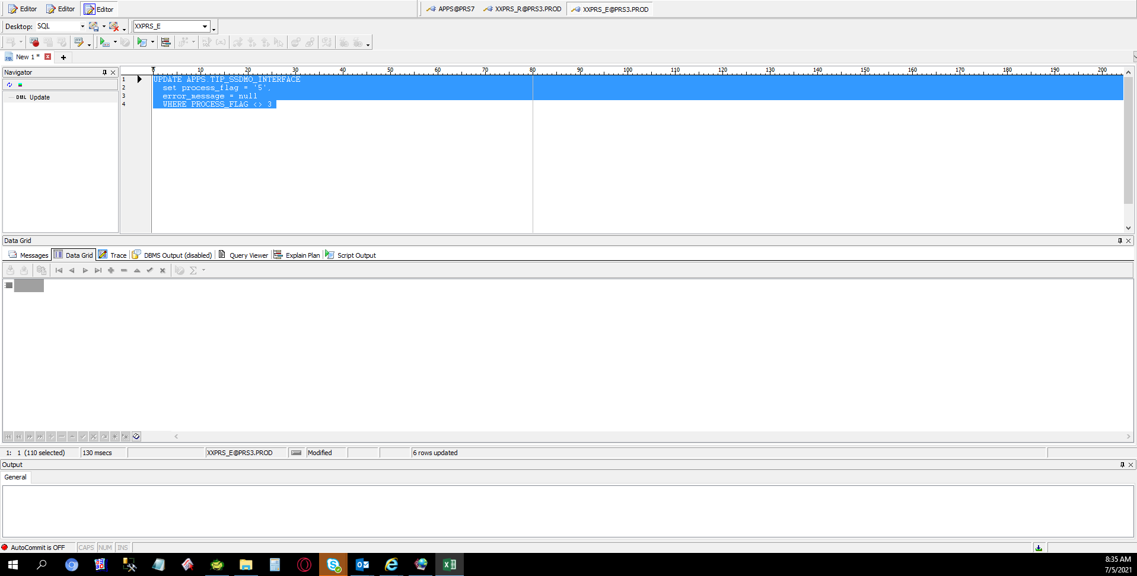
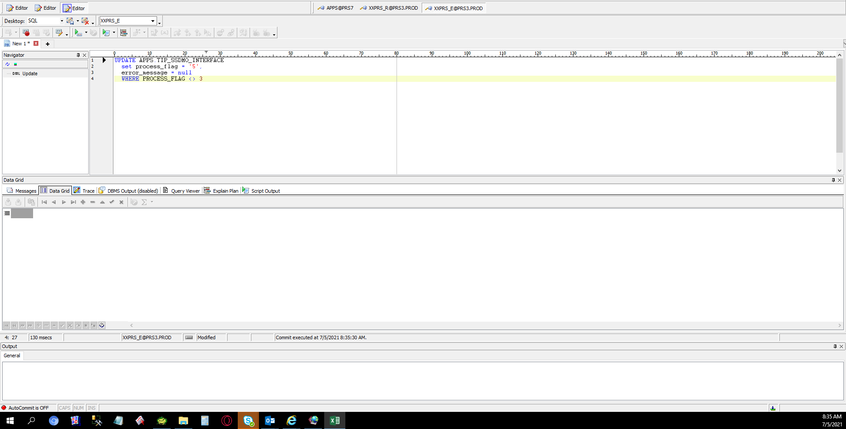
Actual Operation Evidence

 | SELECT *
 | FROM APPS.TIP_SSDMO_INTERFACE
 | WHERE process_flag = '9'
 | AND organization_code = 'ESD'

 | SOURCE_CODE | ORGANIZATION_CODE | ORGANIZATION_ID | ASSEMBLY_CODE | ASSEMBLY_ID | CLASS_CODE | JOB_NAME | QUANTITY | COMPLETION_DATE | ALTERNATE_ROUTING_DESIGNATOR | ALTERNATE_BOM_DESIGNATOR | ATTRIBUTE1 | ATTRIBUTE2 | ATTRIBUTE3 | ATTRIBUTE4 | ATTRIBUTE5 | ATTRIBUTE6 | ATTRIBUTE7 | ATTRIBUTE8 | ATTRIBUTE9 | ATTRIBUTE10 | CREATION_DATE | UPDATE_DATE | PROCESS_FLAG | ERROR_MESSAGE
 | TIPWIPS020 | ESD | 125 | SDFBE74EZB01T50T | 2612619 | Standard | ESD00298462 | 60 | 7/2/21 | MPL | MPL | ESDLINE |  |  |  |  |  |  |  |  |  | 7/2/21 | 7/2/21 | 9 | No operation sequence found for (ESD00298151).
 | TIPWIPS020 | ESD | 125 | SDFUS86DAB01TG0T | 3757005 | Standard | ESD00298463 | 30 | 7/2/21 | MPL | MPL | ESDLINE |  |  |  |  |  |  |  |  |  | 7/2/21 | 7/2/21 | 9 | No operation sequence found for (ESD00298151).
 | TIPWIPS020 | ESD | 125 | SDFUS84DAB01TC0T | 3756997 | Standard | ESD00298464 | 30 | 7/2/21 | MPL | MPL | ESDLINE |  |  |  |  |  |  |  |  |  | 7/2/21 | 7/2/21 | 9 | No operation sequence found for (ESD00298152).
 | TIPWIPS020 | ESD | 125 | SDFBE04LQA01T50T | 2973239 | Standard | ESD00298465 | 90 | 7/2/21 | MPL | MPL | ESDLINE |  |  |  |  |  |  |  |  |  | 7/2/21 | 7/2/21 | 9 | No operation sequence found for (ESD00298153).
 | TIPWIPS020 | ESD | 125 | SDFBC06NKA01TD0T | 2346142 | Standard | ESD00298460 | 180 | 7/2/21 | MPL | MPL | ESDLINE |  |  |  |  |  |  |  |  |  | 7/2/21 | 7/2/21 | 9 | No operation sequence found for (ESD00298154).
 | TIPWIPS020 | ESD | 125 | SDFBE83EAB01T10T | 2370310 | Standard | ESD00298461 | 150 | 7/2/21 | MPL | MPL | ESDLINE |  |  |  |  |  |  |  |  |  | 7/2/21 | 7/2/21 | 9 | No operation sequence found for (ESD00298151).

Helpdesk Request
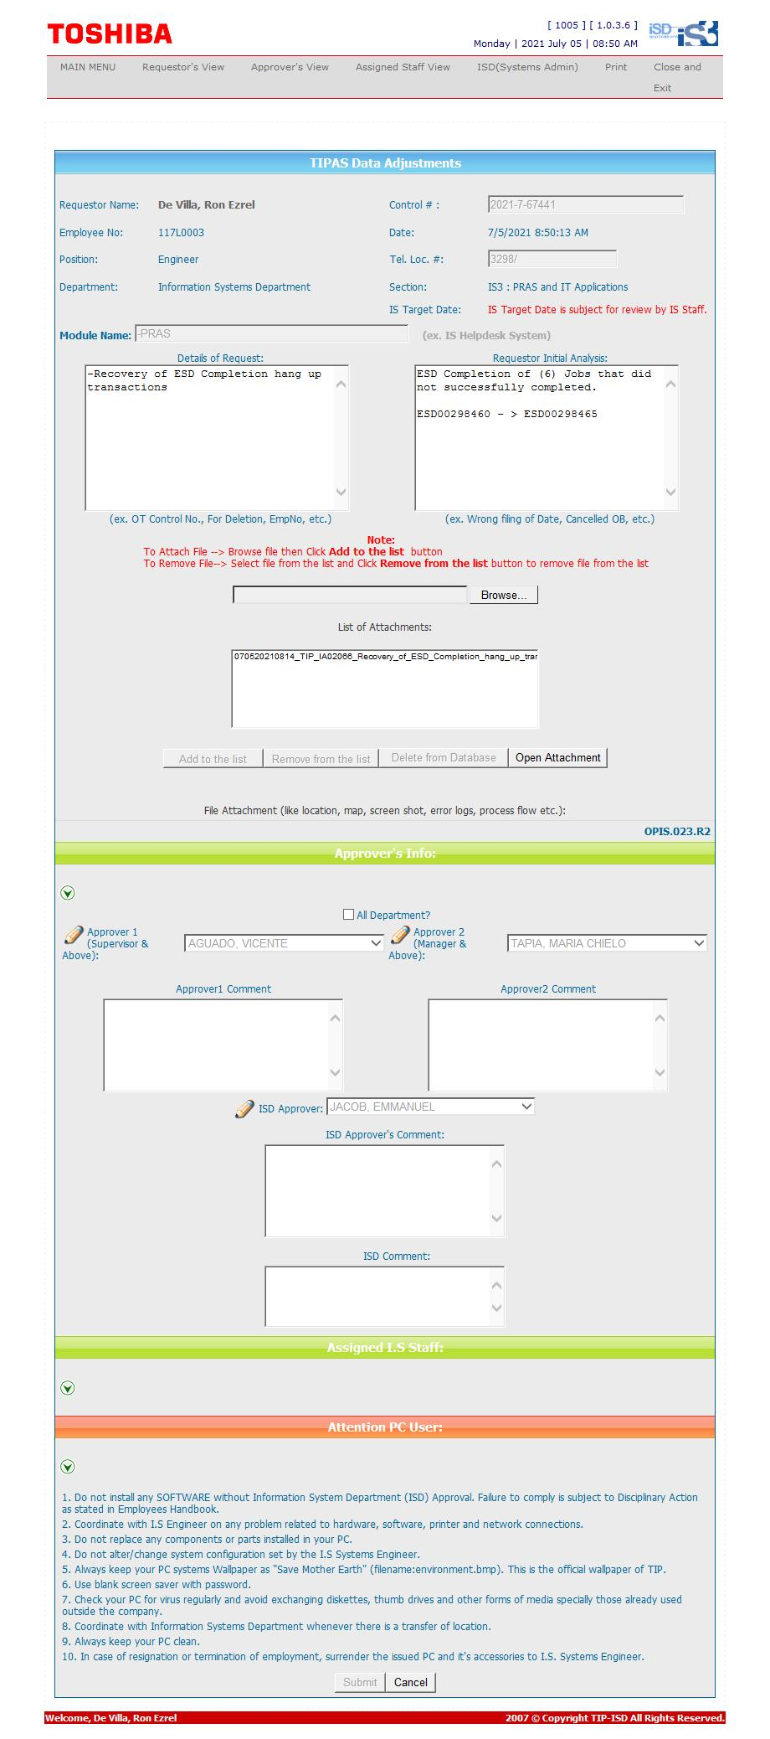
Helpdesk Request

 | ATTACH SCREENSHOT OF HELPDESK REQUEST.

